Sheet1
Black | 558 | 444 | 339 | 358 | 423 | 148 | 222 | 525 | 387 | 3404 | Player Initials | 352 | 561 | 165 | 378 | 361 | 191 | 390 | 341 | 380 | 3119 | 6523
Blue | 543 | 396 | 325 | 353 | 409 | 135 | 201 | 515 | 331 | 3208 |  | 344 | 547 | 156 | 365 | 341 | 167 | 381 | 334 | 366 | 3001 | 6209
White | 497 | 396 | 325 | 276 | 402 | 135 | 188 | 499 | 331 | 3049 |  | 344 | 474 | 156 | 365 | 309 | 140 | 328 | 296 | 334 | 2746 | 5795
Par | 5 | 4 | 4 | 4 | 4 | 3 | 3 | 5 | 4 | 36 |  | 4 | 5 | 3 | 4 | 4 | 3 | 4 | 4 | 4 | 35 | 71
Hole | 1 | 2 | 3 | 4 | 5 | 6 | 7 | 8 | 9 | Out |  | 10 | 11 | 12 | 13 | 14 | 15 | 16 | 17 | 18 | In | Total | Net
Men's Handicap | 3 | 1 | 13 | 5 | 9 | 17 | 15 | 7 | 11 |  |  | 8 | 2 | 18 | 6 | 10 | 16 | 4 | 14 | 12

 | 1 |  |  |  | 1 | 1 |  |  |  |  |  |  | 1
Handicap $$
 |  | 2 |  |  |  |  | 2 | 2 |  |  |  |  |  |  | 2
Handicap $$
 |  |  | 3 |  |  |  |  |  | 3 |  |  |  |  | 3 |  | 3
Handicap $$
 |  |  |  | 4 |  |  |  |  |  |  |  | 4 |  |  |  |  | 4 | 4
Handicap $$



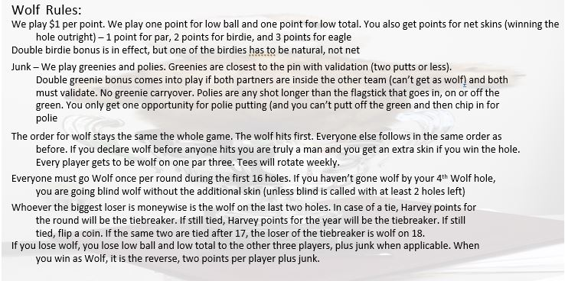

 |  |  | Wolf Cup 2022

